Chart Range 1
Oil Production 1999-2001 (barrels)

Year | Data | Goal | Passed Goal
1998 | 5 | 16 | 0
1999 | 10 | 12 | 0
2000 | 15 | 16 | 0
2001 | 20 | 5 | 20

Chart Range 2
 | Jan | Feb | March | April | May | June
Current | 12 | 13 | 13 | 14 | 12 | 11
High | 13 | 16 | 16 | 15 | 13 | 12
Low | 8 | 8 | 9 | 10 | 10 | 9

Chart Range 3
 | Jan | Feb | March | April | May | June
Current | 12 | 10 | 7 | 5 | 4 | 3
Bad | 16 | 16 | 16 | 16 | 17 | 15
Warning | 8 | 8 | 9 | 10 | 10 | 9
OK | 4 | 4 | 5 | 4 | 4 | 3

Bullet Charts
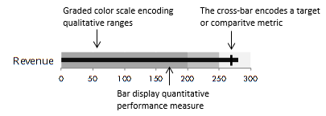
Revenue
Scale
Bad | 200
Med | 50
Good | 50
Value | 275
Target | 170

